HT Study
LINAMAR Heat treatment study sample parts

 | Drawing number:
 | Part name: | Output gear High D
 | Furnace ID:
 | Heat Treated Qty: | 202222

 | HT study Part ID marking | Furnace position (1-10)
 |  | 1
 | 51 | 1
 | 22 | 1
 | 02 | 2 |  | Description (looking into open door)
 | 02 | 2 |  | 1 = left bottom front
 | 02 | 2 |  | 2 = right bottom front
 | 02 | 3 |  | 3 = left bottom back
 | 00 | 3 |  | 4 = right bottom back
 | 2 | 3 |  | 5 = middle of batch
 |  | 4 |  | 6 = left top front
 |  | 4 |  | 7 = right top front
 |  | 4 |  | 8 = left top back
 |  | 5 |  | 9 = right top back
 |  | 5 |  | 10 = top shelf middle
 |  | 5
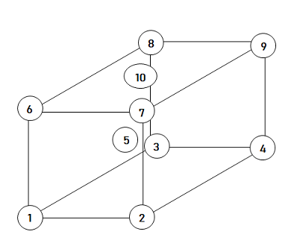
 |  | 6
 |  | 6
 |  | 6
 |  | 7
 |  | 7
 |  | 7
 |  | 8
 |  | 8
 |  | 8
 |  | 9
 |  | 9
 |  | 9
 |  | 10
 |  | 10
 |  | 10
 |  |  | Date: | 18:13:17 / Mar-02-2023

